ACBC
IMAGE | SKU | BRAND | PRODUCT | GROUP | SEASON | GENDER | COLOR | COMPOSITION | MADE_IN_CODE | RETAIL PRICE | TOT.QTY | 47 | 24 | 25 | 26 | 27 | 28 | 29 | 30 | 31 | 32 | 33 | 34 | 35 | 36 | 37 | 38 | 39 | 40 | 41 | 42 | 43 | 44 | 45 | 46
 | SHACBEJR_215 | ACBC KIDS | SNEAKER | Shoes | FW | UNI | WHITE BLUE RED | UPPER: 100% PU SOLE: 100% EL | CN | € 95.00 | 10 |  | 1 | 1 | 1 | 1 | 1 | 1 | 1 | 1 |  | 1 |  | 1
 | SHACBEJR_213 | ACBC KIDS | SNEAKER | Shoes | FW | UNI | WHITE PINK | UPPER: 100% PU SOLE: 100% EL | CN | € 95.00 | 17 |  | 1 | 2 | 2 | 1 |  |  |  | 1 | 1 | 5 | 1 | 3
 | SHACBEJR_200 | ACBC KIDS | SNEAKER | Shoes | FW | UNI | WHITE | UPPER: 100% PU SOLE: 100% EL | CN | € 95.00 | 22 |  | 1 | 1 | 4 | 4 | 4 | 4 | 1 |  | 1 | 1 |  | 1
 | SHACBEJAS_287 | ACBC KIDS | SNEAKER | Shoes | SS | UNI | WHITE GREEN | UPPER: 100% PU SOLE: 100% EL | CN | € 95.00 | 25 |  | 1 | 1 | 1 | 2 | 3 | 1 | 3 | 3 | 3 | 3 | 3 | 1
 | SHACBEJG_219 | ACBC KIDS | SNEAKER | Shoes | FW | UNI | WHITE SILVER | UPPER: 100% PU SOLE: 100% EL | CN | € 95.00 | 33 |  | 3 | 3 | 7 | 8 | 3 | 3 | 1 | 1 | 1 | 1 | 1 | 1
 | SHACBEJG_218 | ACBC KIDS | SNEAKER | Shoes | FW | UNI | WHITE GOLD | UPPER: 100% PU SOLE: 100% EL | CN | € 95.00 | 57 |  | 5 | 4 | 8 | 6 | 6 | 9 | 5 | 5 | 3 | 2 | 2 | 2
 | SHACBEJG_227 | ACBC KIDS | SNEAKER | Shoes | FW | UNI | WHITE WATERGREEN | UPPER: 100% PU SOLE: 100% EL | CN | € 95.00 | 57 |  | 4 | 4 | 5 | 5 | 5 | 5 | 5 | 5 | 5 | 5 | 5 | 4
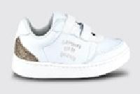 | SHACBEJGS_218 | ACBC KIDS | SNEAKER | Shoes | SS | UNI | WHITE GOLD | UPPER: 100% PU SOLE: 100% EL | CN | € 95.00 | 67 |  | 3 | 5 | 6 | 1 | 4 | 8 | 5 | 5 | 8 | 9 | 6 | 7
 | SHACBEJAS_209 | ACBC KIDS | SNEAKER | Shoes | SS | UNI | WHITE YELLOW | UPPER: 100% PU SOLE: 100% EL | CN | € 95.00 | 72 |  | 4 | 3 | 9 | 2 | 7 | 9 | 9 | 10 | 3 | 6 | 4 | 6
 | SHACBEJG_213 | ACBC KIDS | SNEAKER | Shoes | FW | UNI | WHITE PINK | UPPER: 100% PU SOLE: 100% EL | CN | € 95.00 | 78 |  | 5 | 2 | 4 | 6 | 14 | 14 | 12 | 11 | 8 | 1 | 1
 | SHACBEJA_208 | ACBC KIDS | SNEAKER | Shoes | SS | UNI | WHITE BLUE | UPPER: 100% PU SOLE: 100% EL | CN | € 95.00 | 90 |  | 13 | 13 | 18 | 15 | 10 | 5 | 7 | 5 | 4
 | SHACBEJS_200 | ACBC KIDS | SNEAKER | Shoes | FW | UNI | WHITE | UPPER: 100% PU SOLE: 100% EL | CN | € 95.00 | 90 |  | 3 | 1 |  | 7 | 7 | 7 | 13 | 9 | 13 | 11 | 6 | 13
 | SHACBECW_301 | ACBC | SNEAKER | Shoes | FW | UNI | GREY | UPPER: 100% PE SOLE: 100% EVA | CN | € 149.00 | 1 |  |  |  |  |  |  |  |  |  |  |  |  |  |  |  |  |  |  |  |  |  |  | 1
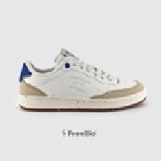 | SHACBEDT_203 | ACBC | SNEAKER | Shoes | FW | UNI | WHITE BLUE | UPPER: 100% PU SOLE: 100% EL | CN | € 149.00 | 1 |  |  |  |  |  |  |  |  |  |  |  |  |  |  |  |  |  |  |  |  |  |  | 1
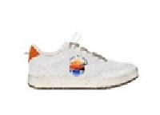 | SHACBEVESUM_211 | ACBC | SNEAKER | Shoes | SS | UNI | WHITE ORANGE | UPPER: 100% PU SOLE: 100% EL | AL | € 149.00 | 1 |  |  |  |  |  |  |  |  |  |  |  |  |  |  |  |  |  |  |  |  |  |  | 1
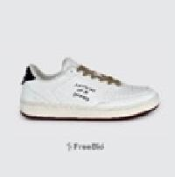 | SHACBEVE_283 | ACBC | SNEAKER | Shoes | SS | UNI | WHITE BLACK | UPPER: 100% PU SOLE: 100% EL | CN | € 149.00 | 1 | 1
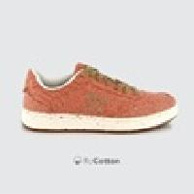 | SHACBEVE_614 | ACBC | SNEAKER | Shoes | SS | UNI | RED | UPPER: 100% PU SOLE: 100% EL | CN | € 149.00 | 1 |  |  |  |  |  |  |  |  |  |  |  |  |  |  |  |  |  |  |  | 1
 | SHACBEVE_708 | ACBC | SNEAKER | Shoes | SS | UNI | BROWN ORANGE | UPPER: 100% PU SOLE: 100% EL | CN | € 149.00 | 1 |  |  |  |  |  |  |  |  |  |  |  |  |  |  |  |  |  |  |  |  | 1
 | SHEH_221 | ACBC | SNEAKER | Shoes | SS | UNI | CREAM | UPPER: 100% PE SOLE: 100% EL | CN | € 149.00 | 1 |  |  |  |  |  |  |  |  |  |  |  |  |  |  | 1
 | SHACBECW_100 | ACBC | SNEAKER | Shoes | FW | UNI | BLACK | UPPER: 100% PE SOLE: 100% EVA | CN | € 149.00 | 2 |  |  |  |  |  |  |  |  |  |  |  |  |  |  |  | 1 |  | 1
 | SHACBECW_502 | ACBC | SNEAKER | Shoes | FW | UNI | BLUE | UPPER: 100% PE SOLE: 100% EVA | CN | € 149.00 | 2 |  |  |  |  |  |  |  |  |  |  |  |  |  |  |  |  |  | 1 |  |  |  | 1
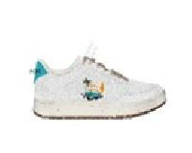 | SHACBEVESUM_208 | ACBC | SNEAKER | Shoes | SS | UNI | WHITE LIGHT BLUE | UPPER: 100% PU SOLE: 100% EL | AL | € 149.00 | 2 |  |  |  |  |  |  |  |  |  |  |  |  |  |  |  |  |  |  |  |  |  | 1 | 1
 | SHACBEVE_122 | ACBC | SNEAKER | Shoes | SS | UNI | BLACK BROWN | UPPER: 100% PU SOLE: 100% EL | CN | € 149.00 | 2 |  |  |  |  |  |  |  |  |  |  |  |  |  | 2
 | SHACBEVE_268 | ACBC | SNEAKER | Shoes | SS | UNI | GOLD | UPPER: 100% PU SOLE: 100% EL | CN | € 149.00 | 2 |  |  |  |  |  |  |  |  |  |  |  |  |  |  |  | 1 | 1
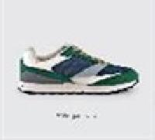 | SHACBXUP_530 | ACBC | SNEAKER | Shoes | FW | UNI | GREEN | UPPER: 100% PU SOLE: 100% EVA | CN | € 179.00 | 2 |  |  |  |  |  |  |  |  |  |  |  |  |  |  |  |  | 1 |  |  |  |  | 1
 | SHTERLOW_643 | ACBC | SNEAKERS | Shoes | FW | UNI | WHITE BEIGE PINK | UPPER: 100% PU SOLE: 100% EL | AL | € 179.00 | 1 |  |  |  |  |  |  |  |  |  |  |  |  |  | 1
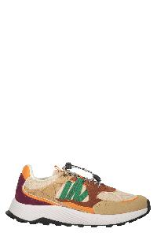 | SHTERRUN_649 | ACBC | Beige athletic shoe with green and brown details | Shoes | FW | UnisexNI | multicolor | UPPER: 100% PU SOLE: 100% EL | CN | € 205.00 | 17 |  |  |  |  |  |  |  |  |  |  |  |  |  |  |  |  |  |  |  | 8 |  | 2 | 2 | 5
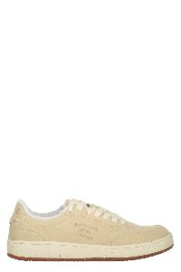 | SHACBENK_226 | ACBC | Elegant and minimal sneakers for any occasion | Shoes | FW | UnisexNI | beige | UPPER: 100% PU SOLE: 100% EL | CN | € 149.00 | 27 |  |  |  |  |  |  |  |  |  |  |  |  |  |  | 2 | 2 |  |  |  |  |  |  | 13 | 10
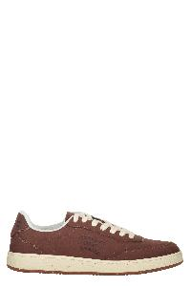 | SHACBENK_701 | ACBC | Elegant and minimalist sneaker for every occasion | Shoes | FW | UnisexNI | marrone | UPPER: 100% PU SOLE: 100% EL | CN | € 149.00 | 16 |  |  |  |  |  |  |  |  |  |  |  |  |  |  |  |  |  |  |  |  | 11 | 5
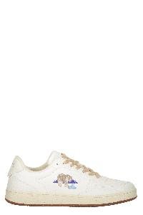 | SHACBEAN_200B | ACBC | Elegant and minimalist sneakers | Shoes | FW | UnisexNI | bianco | UPPER: 100% PU SOLE: 100% EL | CN | € 149.00 | 3 |  |  |  |  |  |  |  |  |  |  |  |  |  |  |  |  | 1 | 1 |  | 1
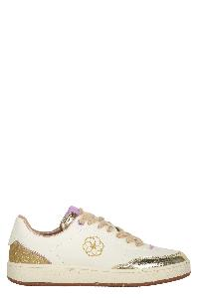 | SHACBEWF_243 | ACBC | Elegant minimalist sneakers | Shoes | FW | Female | avorio | UPPER: 100% PU SOLE: 100% EL | CN | € 149.00 | 25 |  |  |  |  |  |  |  |  |  |  |  |  |  |  | 8 | 1 | 6 | 7 | 3
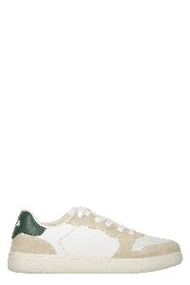 | SHTERLOW_640 | ACBC | Elegant sneakers | Shoes | FW | UnisexNI | bianco | UPPER: 100% PU SOLE: 100% EL | AL | € 215.00 | 3 |  |  |  |  |  |  |  |  |  |  |  |  |  |  |  | 1 |  | 2
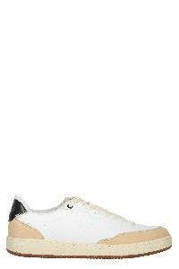 | SHACBEDT_201 | ACBC | Elegant white shoes with light beige sole | Shoes | FW | UnisexNI | bianco | UPPER: 100% PU SOLE: 100% EL | CN | € 149.00 | 8 |  |  |  |  |  |  |  |  |  |  |  |  |  |  |  |  |  |  | 8
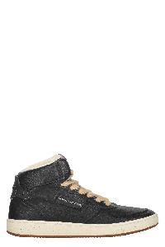 | SHACBEYO_100 | ACBC | High black sneakers | Shoes | FW | UnisexNI | nero | UPPER: 100% PU SOLE: 100% EL | PT | € 149.00 | 2 |  |  |  |  |  |  |  |  |  |  |  |  |  |  |  |  |  | 1 |  |  |  |  |  | 1
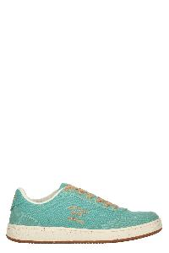 | SHACBEVE_499 | ACBC | Low top canvas sneakers | Shoes | SS | UnisexNI | verde | UPPER: 100% PU SOLE: 100% EL | CN | € 149.00 | 67 |  |  |  |  |  |  |  |  |  |  |  |  |  |  | 9 | 12 | 3 | 16 | 11 | 3 | 13
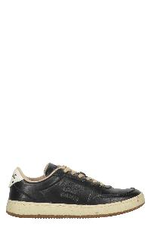 | SHEG_100 | ACBC | Low top sneakers | Shoes | FW | UnisexNI | nero | UPPER: 100% PU SOLE: 100% EL | CN | € 149.00 | 36 |  |  |  |  |  |  |  |  |  |  |  |  |  | 9 | 3 |  |  |  | 9 | 6 |  | 9
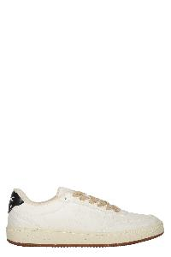 | SHEG_200 | ACBC | Minimalist sneakers with rubber sole | Shoes | FW | UnisexNI | bianco | UPPER: 100% PU SOLE: 100% EL | CN | € 149.00 | 20 |  |  |  |  |  |  |  |  |  |  |  |  |  | 6 | 1 |  |  |  | 4 |  |  |  |  | 9
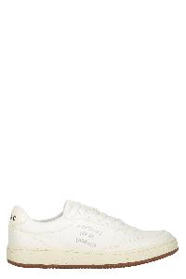 | SHACBEVE_249 | ACBC | Minimalist white sneakers with details | Shoes | SS | UnisexNI | bianco | UPPER: 100% PU SOLE: 100% EL | CN | € 149.00 | 4 |  |  |  |  |  |  |  |  |  |  |  |  |  | 3 |  |  | 1
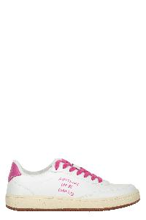 | SHACBENAT_212 | ACBC | Minimalist white sports shoe with pink details | Shoes | FW | UnisexNI | bianco | UPPER: 100% PU SOLE: 100% EL | AL | € 149.00 | 3 |  |  |  |  |  |  |  |  |  |  |  |  |  | 2 | 1
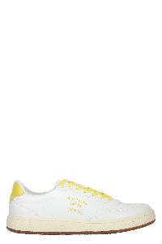 | SHACBENAT_901 | ACBC | Minimalist white sports shoe with yellow details | Shoes | FW | UnisexNI | bianco | UPPER: 100% PU SOLE: 100% EL | AL | € 149.00 | 18 |  |  |  |  |  |  |  |  |  |  |  |  |  | 2 | 3 | 5 | 6 | 2
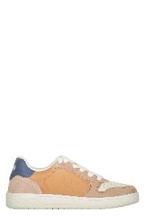 | SHTERLOW_644 | ACBC | Modern sneakers in light and dark shades | Shoes | FW | UnisexNI | beige | UPPER: 100% PU SOLE: 100% EL | AL | € 215.00 | 9 |  |  |  |  |  |  |  |  |  |  |  |  |  | 2 | 1 | 2 | 3 | 1
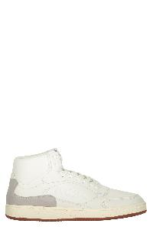 | SHACBBH_200 | ACBC | Modern sneakers with ankle support | Shoes | SS | UnisexNI | bianco | UPPER: 100% PU SOLE: 100% EL | PT | € 179.00 | 5 |  |  |  |  |  |  |  |  |  |  |  |  |  |  | 1 |  | 1 | 1 | 1 |  | 1
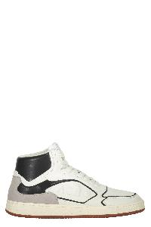 | SHACBBH_201 | ACBC | Modern sneakers with ankle support | Shoes | SS | UnisexNI | bianco | UPPER: 100% PU SOLE: 100% EL | PT | € 179.00 | 6 |  |  |  |  |  |  |  |  |  |  |  |  |  | 1 | 1 | 1 | 1 |  |  |  |  | 2
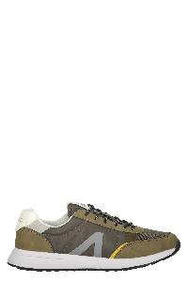 | SHACBECW_403 | ACBC | Modern sports shoes | Shoes | FW | UnisexNI | verde | UPPER: 100% PE SOLE: 100% EVA | CN | € 149.00 | 5 |  |  |  |  |  |  |  |  |  |  |  |  |  |  |  |  |  |  |  |  | 1 | 4
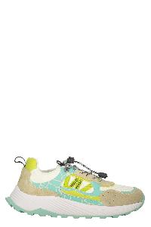 | SHTERRUN_651 | ACBC | Modern sports shoes | Shoes | FW | UnisexNI | multicolor | UPPER: 100% PU SOLE: 100% EL | CN | € 205.00 | 17 |  |  |  |  |  |  |  |  |  |  |  |  |  | 6 | 11
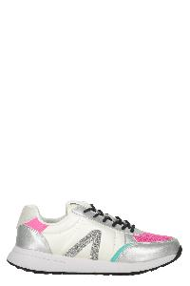 | SHACBECW_231 | ACBC | Modern white sneakers with pastel details | Shoes | FW | UnisexNI | multicolor | UPPER: 100% PE SOLE: 100% EVA | CN | € 149.00 | 7 |  |  |  |  |  |  |  |  |  |  |  |  |  |  |  | 3 | 3 | 1
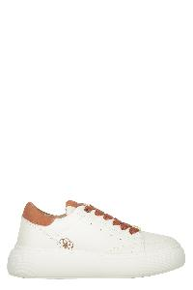 | SHACBNWO_217 | ACBC | Modern white sneakers, elegant and versatile | Shoes | FW | Female | bianco | UPPER: 100% PU SOLE: 100% EVA | CN | € 189.00 | 13 |  |  |  |  |  |  |  |  |  |  |  |  |  | 3 | 1 | 4 |  | 2 | 3
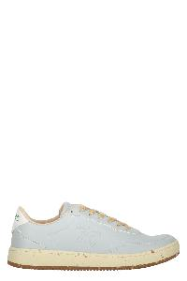 | SHEC_621 | ACBC | Sneakers low top | Shoes | SS | UnisexNI | azzurro | UPPER: 100% PU SOLE: 100% EL | CN | € 149.00 | 8 |  |  |  |  |  |  |  |  |  |  |  |  |  |  |  | 4 | 4
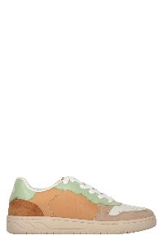 | SHTERLOW_645 | ACBC | Sneakers low top | Shoes | FW | UnisexNI | multicolor | UPPER: 100% PU SOLE: 100% EVA | AL | € 215.00 | 9 |  |  |  |  |  |  |  |  |  |  |  |  |  | 1 |  | 3 | 1 | 2 | 2
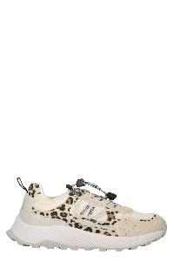 | SHTERRUN_650 | ACBC | Sneakers low top | Shoes | FW | UnisexNI | beige | UPPER: 100% PU SOLE: 100% EL | AL | € 169.00 | 32 |  |  |  |  |  |  |  |  |  |  |  |  |  | 5 | 12 | 7 | 5 | 3
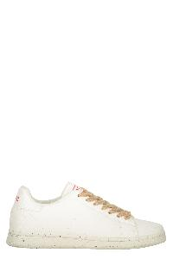 | SHTL_205 | ACBC | Sneakers low top | Shoes | SS | UnisexNI | bianco | UPPER: 100% PU SOLE: 100% EL | CN | € 130.00 | 36 |  |  |  |  |  |  |  |  |  |  |  |  |  | 1 | 13 | 5 | 7 | 8 |  |  | 1 | 1
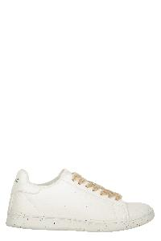 | SHTL_204 | ACBC | Sneakers low top | Shoes | SS | UnisexNI | bianco | UPPER: 100% PU SOLE: 100% EL | CN | € 130.00 | 39 |  |  |  |  |  |  |  |  |  |  |  |  |  | 3 | 2 | 4 | 2 | 8 |  |  | 2 | 1 |  | 17
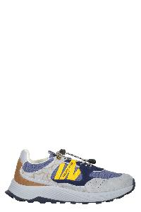 | SHTERRUN_647 | ACBC | Sneakers low-top | Shoes | FW | UnisexNI | blu | UPPER: 100% PU SOLE: 100% EL | CN | € 205.00 | 7 |  |  |  |  |  |  |  |  |  |  |  |  |  |  |  |  |  |  | 1 | 4 |  | 2
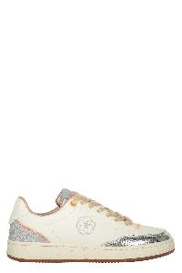 | SHACBEWF_244 | ACBC | Sneakers low-top | Shoes | FW | Female | avorio | UPPER: 100% PU SOLE: 100% EL | CN | € 149.00 | 13 |  |  |  |  |  |  |  |  |  |  |  |  |  |  | 2 |  | 5 | 6
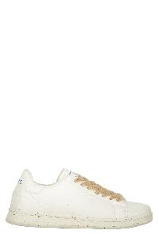 | SHTL_203 | ACBC | Versatile sneakers, guaranteed comfort | Shoes | SS | UnisexNI | bianco | UPPER: 100% PU SOLE: 100% EL | CN | € 130.00 | 13 |  |  |  |  |  |  |  |  |  |  |  |  |  | 6 | 7
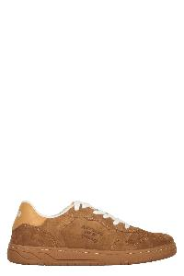 | SHTERLOW_641 | ACBC | Warm brown sneakers | Shoes | FW | UnisexNI | marrone | UPPER: 100% PU SOLE: 100% EL | AL | € 215.00 | 2 |  |  |  |  |  |  |  |  |  |  |  |  |  |  |  |  |  |  | 1 |  |  | 1
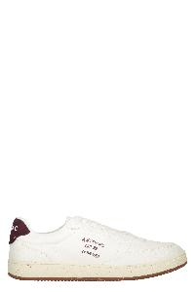 | SHACBEVE_609 | ACBC | White casual shoes, comfortable and durable | Shoes | SS | UnisexNI | bianco | UPPER: 100% PU SOLE: 100% EL | CN | € 149.00 | 21 |  |  |  |  |  |  |  |  |  |  |  |  |  |  |  |  |  |  |  | 12 | 4 | 5
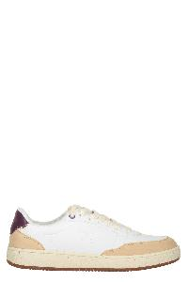 | SHACBEDT_231 | ACBC | White minimalist sneakers with a beige sole | Shoes | FW | UnisexNI | bianco | UPPER: 100% PU SOLE: 100% EL | CN | € 149.00 | 4 |  |  |  |  |  |  |  |  |  |  |  |  |  |  | 2 | 1 | 1
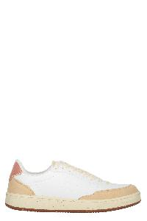 | SHACBEDT_212 | ACBC | White minimalist sneakers with beige details | Shoes | FW | UnisexNI | bianco | UPPER: 100% PU SOLE: 100% EL | CN | € 149.00 | 4 |  |  |  |  |  |  |  |  |  |  |  |  |  |  | 4
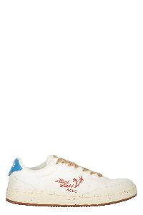 | SHACBEVE_203 | ACBC | White minimalist sneakers with details | Shoes | SS | UnisexNI | bianco | UPPER: 100% PU SOLE: 100% EL | CN | € 149.00 | 4 |  |  |  |  |  |  |  |  |  |  |  |  |  |  |  |  |  | 1 | 1 | 1 | 1
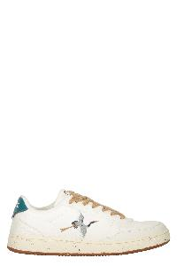 | SHACBEVE_204 | ACBC | White minimalist sneakers with details | Shoes | SS | UnisexNI | bianco | UPPER: 100% PU SOLE: 100% EL | CN | € 149.00 | 22 |  |  |  |  |  |  |  |  |  |  |  |  |  |  |  |  |  | 1 |  | 10 |  | 5 | 3 | 3
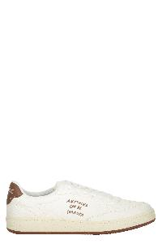 | SHACBEVE_701 | ACBC | White minimalist sneakers with details | Shoes | SS | UnisexNI | bianco | UPPER: 100% PU SOLE: 100% EL | CN | € 149.00 | 27 |  |  |  |  |  |  |  |  |  |  |  |  |  |  |  |  |  |  | 8 | 8 | 11
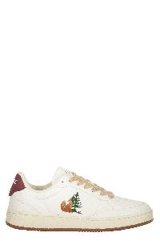 | SHACBEAN_200F | ACBC | White sneakers with details | Shoes | FW | UnisexNI | bianco | UPPER: 100% PU SOLE: 100% EL | CN | € 149.00 | 2 |  |  |  |  |  |  |  |  |  |  |  |  |  | 1 |  |  |  |  |  |  |  |  | 1
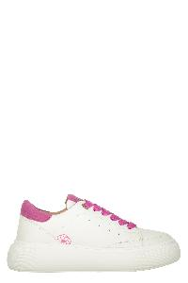 | SHACBNWO_213 | ACBC | White sneakers with pink details | Shoes | FW | Female | bianco | UPPER: 100% PU SOLE: 100% EVA | CN | € 189.00 | 15 |  |  |  |  |  |  |  |  |  |  |  |  |  | 2 | 1 | 2 | 10
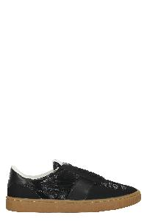 | SHMISRET_100 | MISSONI SPORT | Elegant black sneakers with rubber sole | Shoes | SS | UnisexNI | nero | UPPER: 100% PU SOLE: 100% EVA | CN | € 275.00 | 51 |  |  |  |  |  |  |  |  |  |  |  |  |  |  |  |  |  | 7 | 32 |  |  | 12
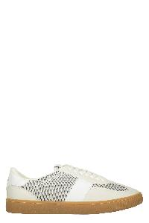 | SHMISRET_200 | MISSONI SPORT | Elegant sneakers with rubber sole | Shoes | SS | UnisexNI | bianco | UPPER: 100% PU SOLE: 100% EVA | CN | € 275.00 | 156 |  |  |  |  |  |  |  |  |  |  |  |  |  | 1 |  | 19 |  |  | 31 | 29 | 32 | 22 | 17 | 5
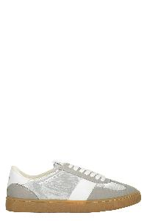 | SHMISRET_269 | MISSONI SPORT | Elegant sneakers with rubber sole | Shoes | SS | UnisexNI | grigio | UPPER: 100% PU SOLE: 100% EVA | CN | € 275.00 | 219 |  |  |  |  |  |  |  |  |  |  |  |  |  | 10 |  | 25 | 25 | 2 | 35 | 26 | 22 | 42 | 30 | 2
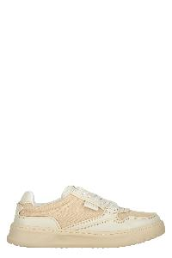 | SHMISBJOM_227M | MISSONI SPORT | Minimalist sneakers in neutral colors of quality | Shoes | FW | Male | beige | UPPER: 100% PU SOLE: 100% EL | CN | € 330.00 | 23 | 6 |  |  |  |  |  |  |  |  |  |  |  |  | 4 |  | 5 | 4 | 3 |  |  |  |  | 1
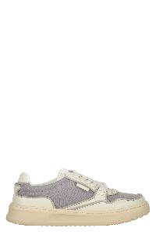 | SHMISBJOM_301 | MISSONI SPORT | Minimalist sneakers in neutral colors of quality | Shoes | FW | Male | grigio | UPPER: 100% PU SOLE: 100% EL | CN | € 330.00 | 26 | 5 |  |  |  |  |  |  |  |  |  |  |  |  | 5 | 1 | 6 | 4 | 5
 | SHMISCAN_209 | MISSONI SPORT | Minimalist white sneakers with yellow details | Shoes | SS | UnisexNI | bianco | UPPER: 100% PE SOLE: 100% EL | CN | € 235.00 | 18 | 4 |  |  |  |  |  |  |  |  |  |  |  |  | 4 |  |  |  |  |  |  | 1 | 2 | 5 | 2
 | SHMISRET_610M | MISSONI SPORT | Modern colorful sneakers with comfortable sole | Shoes | SS | UnisexNI | rosa | UPPER: 100% PU SOLE: 100% EVA | CN | € 275.00 | 115 |  |  |  |  |  |  |  |  |  |  |  |  |  |  |  |  |  |  |  | 34 | 37 | 17 | 23 | 4
 | SHMISNRU_269 | MISSONI SPORT | Modern lightweight sneakers | Shoes | SS | UnisexNI | bianco | UPPER: 100% PU SOLE: 100% EL | CN | € 359.00 | 24 |  |  |  |  |  |  |  |  |  |  |  |  |  |  |  |  |  | 4 | 4 | 2 |  | 2 | 8 | 4
 | SHMISNRU_268 | MISSONI SPORT | Modern lightweight sneakers | Shoes | SS | UnisexNI | bianco | UPPER: 100% PU SOLE: 100% EL | CN | € 359.00 | 109 | 5 |  |  |  |  |  |  |  |  |  |  |  |  |  |  | 1 |  | 11 | 16 | 15 | 20 | 19 | 22
 | SHMISCAS_209 | MISSONI SPORT | Sneakers low top | Shoes | SS | UnisexNI | bianco | UPPER: 100% PU SOLE: 100% EL | CN | € 235.00 | 2 | 2
 | SHMISCAN_201 | MISSONI SPORT | White minimalist sneakers with black details | Shoes | SS | UnisexNI | bianco | UPPER: 100% PE SOLE: 100% EL | CN | € 235.00 | 1 | 1
 |  |  |  |  |  |  |  |  |  |  | 1951

